HW DFA
 | [Note：The below Table is NOT exhaustive. The contents need to be modified or added accordingly] [注意：模板中的条目并不是必须的，也没有穷尽，应根据项目进行删减或添加]

1 Introduction of Product

2 HW Architecture Overview and the boundary of analysis
Firstly it's highly recommended to depict the whole HW architecture of the product, and then define the boundary of analysis of dependent failure.
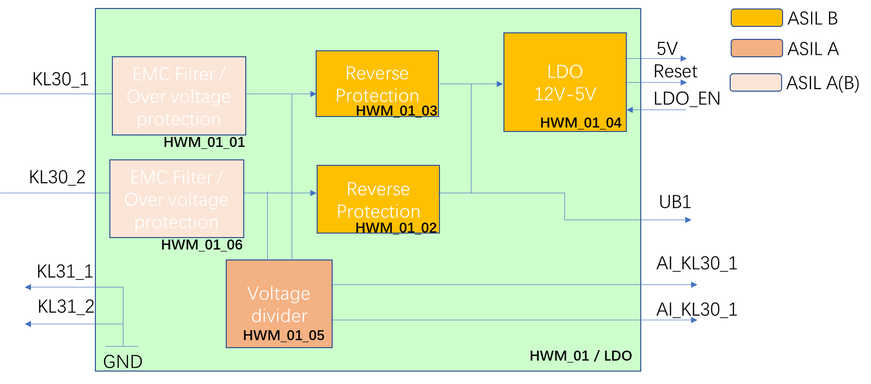 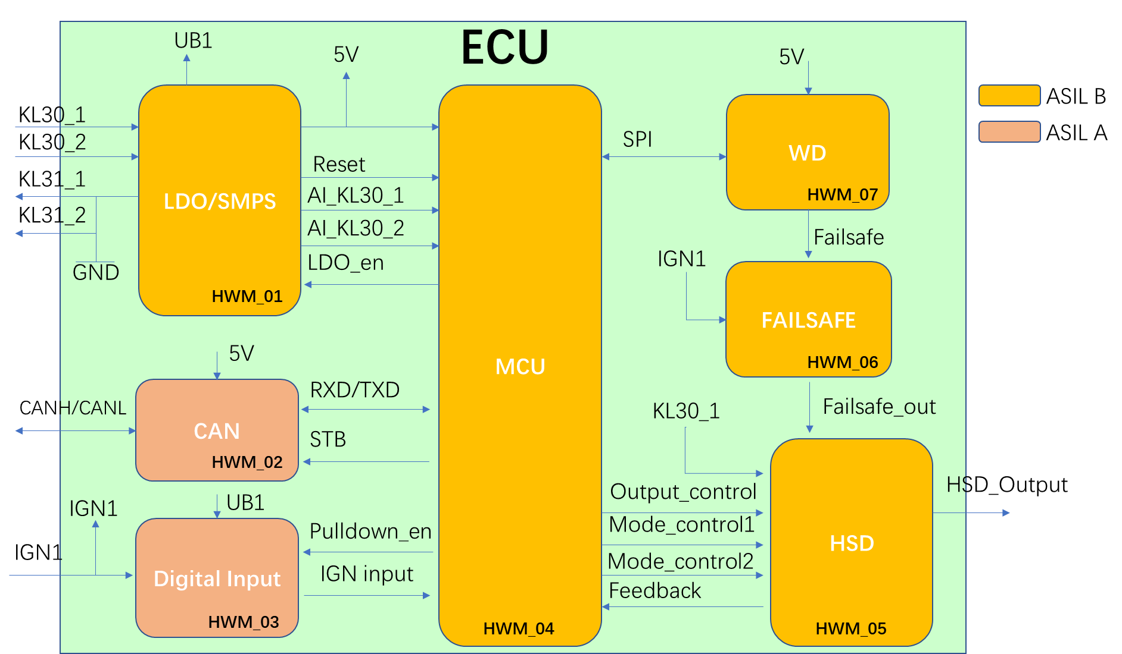
3 Top Event List
Top event can be derived from FTA analysis (cut sets or repeated identical events of an FTA.), and it can also be derived from considering the architectural features such as: — similar and dissimilar redundant elements; --- ASIL decomposition — different functions implemented with identical software or hardware elements; — functions and their respective safety mechanisms; — partitions of functions or software elements;(QM, ASIL) — physical distance between hardware elements, with or without a barrier; and — common external resources.
 | No. | Top Event | Description (of the top event and their effect) | ASIL
 | 1

4 Analysis of Dependent Failure on HW level
a) random hardware failures; EXAMPLE 1 Failures of common blocks such as clock, test logic and internal voltage regulators in large scale integrated circuits (microcontrollers, ASICs, etc.). b) development faults; EXAMPLE 2 Requirement faults, design faults, implementation faults, faults resulting from the use of new technologies and faults introduced when making modifications. c) manufacturing faults; EXAMPLE 3 Faults related to processes, procedures and training; faults in control plans and in monitoring special characteristics; faults related to software flashing and end-of-line programming. d) installation faults; EXAMPLE 4 Faults related to wiring harness routing; faults related to the interchangeability of parts; failures of adjacent items or elements. e) service faults; EXAMPLE 5 Faults related to processes, procedures and training; faults related to trouble-shooting; faults related to the interchangeability of parts and faults due to backward incompatibility. f) environmental factors; EXAMPLE 6 Temperature, vibration, pressure, humidity/condensation, pollution, corrosion, contamination, EMC. g) failures of common external resources or information; EXAMPLE 7 Power supply, input data, inter-system data bus and communication. h) stress due to specific situations; and EXAMPLE 8 High operational loads, extreme user inputs or requests from other systems, thermal impact, and mechanical shocks. i) ageing and wear.
Top Event - 1: CMU&WDM | DF-I Category | Interpretation | DF-Initiator Examples | Applicable? | Interpretation of the dependent failure | Measures for prevent the dependent failure violating the safety goal | Measures for prevent the occurrence of dependent failure during operation | Evidence | sufficient? | Comment
 | Shared resource | The same software, hardware, or system element instance used by the two elements which are therefore affected by the failure or unavailability of that shared resource, i.e. from a physical perspective. | — Clock — Same H-Bridge used by two shut-down paths — Sockets, plug connectors --Failures in power supply elements including power distribution network, common voltage regulators, common references (e.g. band-gaps, bias generators and related network) --Failures in common reset logic including reset signals | yes | 1) same scheduler for CMU task and WDM monitoring task 2) both CMU and WDM execute on same Uc/CPU Core 3) both CMU(lower ASIL) and WDM (higher ASIL) share same RAM; | .--Dedicated independent monitoring of shared resources (e.g. clock monitoring, voltage monitoring, ECC for memories, CRC over configuration register content, signalling of test or debug mode) --Selective hardening against soft errors or selected redundancy --Self-tests at start-up or post-run or during operation of the shared resources --Diversification of impact (e.g. clock delay between master & checker core, diverse master and checker core, different critical paths) --Indirect detection of failure of shared resource (e.g. cyclic self-test of a function that would fail in the case of a failure of the shared resource) --Indirect monitoring using special sensors (e.g. delay lines used as common-cause failure sensors) | .--Fault avoidance measures (e.g. conservative specification), functional redundancies within shared resources (e.g. multiple via/contacts), --Dedicated production tests (e.g. end-of-line tests for SRAM capable of finding complex faults) --Separate resources to reduce the amount or scope of shared resources --Adaptive measures to reduce susceptibility (e.g. voltage/operating frequency decrease)
 | Components of identical type | Identical components may fail with higher probability simultaneously (common mode failures) | • Reused standard software modules • Standard library components • Middleware • Operating system • Communication stack • Parameter set | yes | see analysis above |  |  | SWR
 | Communication between the two functions | Receiving function is affected by information that is false, lost, sent multiple times, or in the wrong order etc. from the sender | .-- Electrical connection between two HW elements | yes | 1) CMU shall callout the WDM's interface (check_point_reached) to transmit the CMU checklist; |  | .--Dedicated installation tests
 | Shared information inputs | Same information consumed by the two functions even in absence of shared resources, i.e. from a functional perspective | • Calibration parameters • Constants, or variables, being global to the two software functions • Basic software passes data (read from hardware register and converted into logical information) to two application software functions • Data / function parameter arguments / messages delivered by software function to more than one other function See also “Communication between the two functions” | no
 | Environmental influences | Common external environmental disturbance affects both functions | System-level: mechanical shock, water ingress Software-level: not applicable for Software Hardware-level: under and over voltage of the power supply Temperature Vibration Pressure Humidity/Condensation Corrosion EMI Overvoltage applied from external Mechanical stress Wear Aging Water and other fluids intrusion | no |  | .--Direct monitoring of environmental conditions (e.g. temperature sensor) | .--Adaptive measures to reduce susceptibility (e.g. voltage/operating frequency decrease) --Fault avoidance measures (e.g. conservative specification/robust design) --Physical separation (e.g. distance of the die from a local heat source external to the die) --Limit the access frequency or limit allowed operation cycles for subparts (e.g. specify the number of write cycles for an EEPROM) --Robust design of housing
 | Unintended impact | Two functions affecting each other’s elements directly via an implicit, that is unintended interface. | • Memory / corruption of content* – “wild pointers“ (including program counter stack) – memory mis-allocation – memory leaks – read/write access to memory allocated to another software element* – buffer under-/overflow • Timing and execution – deadlocks* – livelocks* – incorrect allocation of execution time* – incorrect synchronization between software elements* | yes | 1) share the stack 2) timing/execution see analysis above
 | Systematic coupling | Systematic causes from human or tool errors can lead to the simultaneous failure of more than one function | • Manufacturing fault / repair fault (e.g. SMT, assembly ) — Identical production processes used for multiple elements — Identical repair processes used for multiple elements. • Same personnel • Same social-cultural context (even if different personnel) • Development fault, e.g. – human error – insufficiently qualified personnel – process weaknesses – insufficient methods --Requirement faults --Specification errors --Implementation faults, i.e. incorrect implementation of functionality --Lack or insufficiency of design measures to avoid crosstalk --Wrong configuration --Layout faults | yes |  | .--Monitors (e.g. protocol checkers) | .--Dedicated production tests --Design process compliant with the ISO 26262 series of standards --Diversity (Depending on the DFI, diversity can be intended either as implementation/ functional/architectural diversity or as development diversity)

Top Event - 2 | DF-I Category | Interpretation | DF-Initiator Examples | Applicable? | Interpretation of the dependent failure | Measures for prevent the dependent failure violating the safety goal | Measures for prevent the occurrence of dependent failure during operation | Evidence | sufficient? | Comment
 | Shared resource |  |  | Yes | Same power supply between element1 and element2. | Power supply monitoring, enter safe state if power supply failure: TSR0001 | Power supply isolation between element1 and element2: HWDD01. | Testcase01; Testcase02; | Yes, all the test and analysis are passed.
 | Components of identical type
 | Communication between the two functions
 | Shared information inputs
 | Environmental influences
 | Unintended impact
 | Systematic coupling

